Sheet1
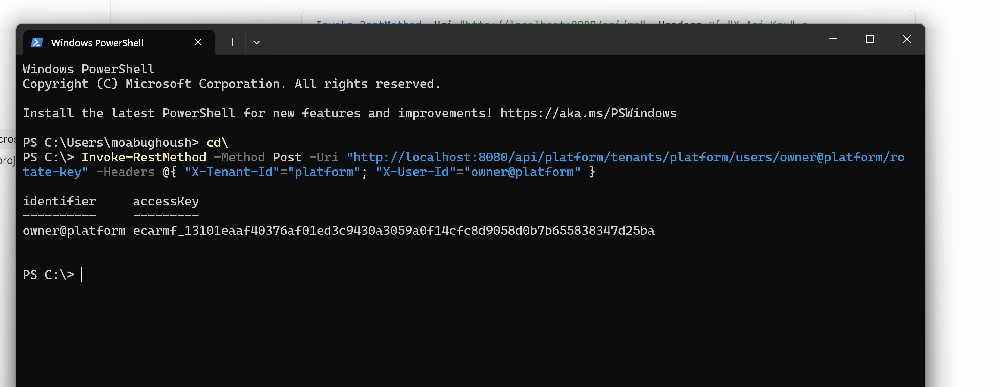
 | 2026-07-17 | ecarmf_13101eaaf40376af01ed3c9430a3059a0f14cfc8d9058d0b7b655838347d25ba

 |  | ecarmf_8ba454c5ae3152703c155d7c5899b98889bc124cf789e0ef3a35e24d6ffa640a

to check id illoma is back after shut down |  | http://localhost:11434 in a browser, or the tray icon

